Sheet1
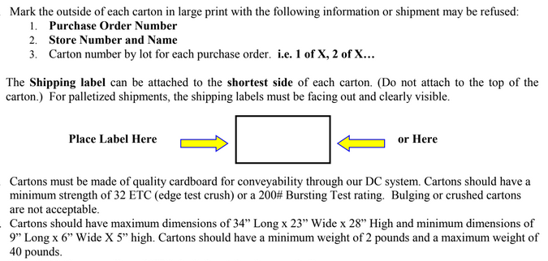
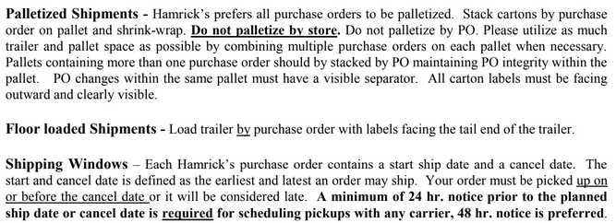
HAMRICKS

PICK TICKET CHECK LIST |  |  |  | PO# 263517
 |  |  |  | PT# 1757996 - 1758014
TICKETING

ROUTING |  |  | SHIP VIA: ROUTING

CARTON MARKING

PO # MUST BE ON ALL BOXES
STORE# and STORE NAME
STYLE
COLOR
QTY

CUSTOMER STYLE | OUR STYLE | QTY | PT #
BOC9772-42 | BOC9772-42 | 6 | 1766602
BOC9772-42 | BOC9772-42 | 6 | 1766603
BOC9772-42 | BOC9772-42 | 12 | 1766604
BOC9772-42 | BOC9772-42 | 12 | 1766605
BOC9772-42 | BOC9772-42 | 12 | 1766606
BOC9772-42 | BOC9772-42 | 12 | 1766607
BOC9772-42 | BOC9772-42 | 12 | 1766608
BOC9772-42 | BOC9772-42 | 12 | 1766609
BOC9772-42 | BOC9772-42 | 6 | 1766610
BOC9772-42 | BOC9772-42 | 6 | 1766611
BOC9772-42 | BOC9772-42 | 12 | 1766612
BOC9772-42 | BOC9772-42 | 12 | 1766613
BOC9772-42 | BOC9772-42 | 6 | 1766614
BOC9772-42 | BOC9772-42 | 12 | 1766615
BOC9772-42 | BOC9772-42 | 6 | 1766616
BOC9772-42 | BOC9772-42 | 6 | 1766617
BOC9772-42 | BOC9772-42 | 6 | 1766618
BOC9772-42 | BOC9772-42 | 12 | 1766619
BOC9772-42 | BOC9772-42 | 6 | 1766620
BOC9772-42 | BOC9772-42 | 6 | 1766621

 |  | 180

